Probe Placement
Tank Capacity & Probe Construction Calculations
Model # | GG40T08AYV01 |  | Date: | 2025-01-16
Serial # | SZ600643C
Lab ID # | 25WS1752
Tank Capacity
Gross | 332.7 | Lbs | Water Temp. | 52.7 | Deg. F
Tare | 0.0 | Lbs | Specific Water Wt. | 8.3375 | Lbs/Gal
Net Weight | 332.7 | Lbs | Actual Capacity | 39.90 | Gal.
1/12 volume | 27.7
T.C. Rod Cal. |  |  | T.C. Zones 1 - 6
Tank Height (H) | 46.38 | Inches | 1 | 42.51 | Inches
X = 1/12 water | 3.86 | Inches | 2 | 34.78 | Inches
2X | 7.73 | Inches | 3 | 27.05 | Inches
H - 2X | 38.65 | Inches | 4 | 19.32 | Inches
(H - 2X)/5 | 7.73 | Inches | 5 | 11.59 | Inches
Min. Rod Length (H-X) | 42.51 | Inches | (Zone 6 is X value) 6 | 3.86 | Inches

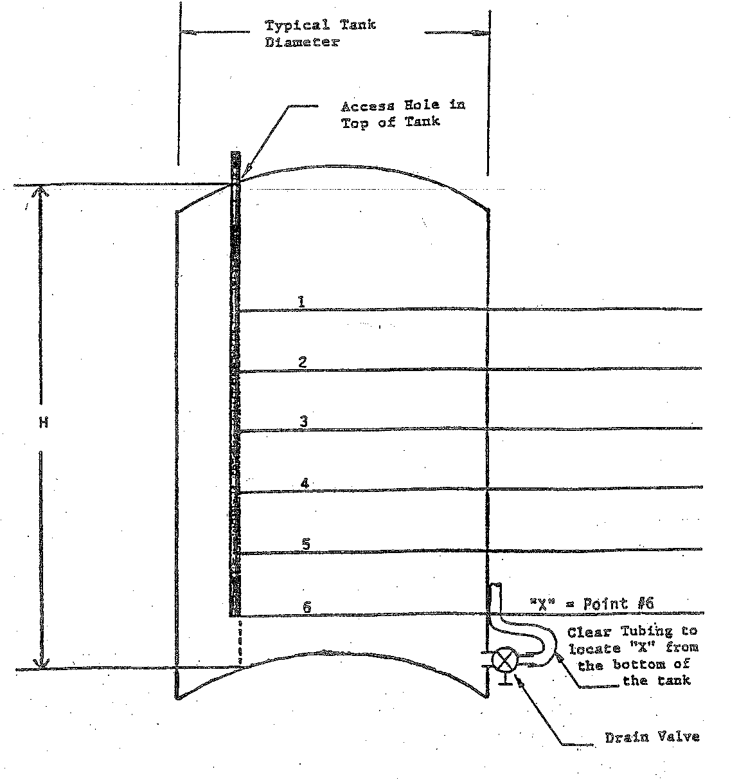

42.51

34.78

27.05
46.38

19.32

11.59

3.86

